Current and Planned Capacity
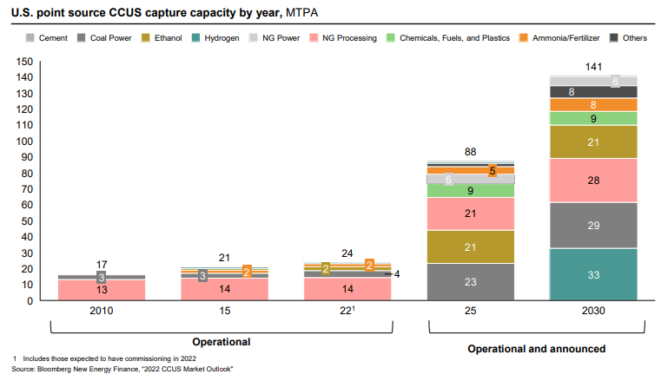
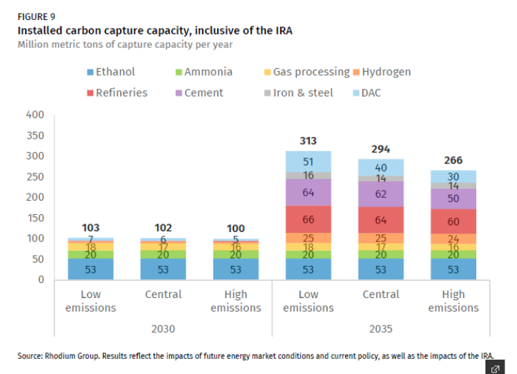

The potentials below use the "High emissions" values from the Rhodium figure above and are presented as MMT of capture capacity.
 | 2022 | 2030 | 2035
agriculture and forestry 01T03
coal mining 05
oil and gas extraction 06
other mining and quarrying 07T08
food beverage and tobacco 10T12
textiles apparel and leather 13T15
wood products 16
pulp paper and printing 17T18
refined petroleum and coke 19 | 0 | 0 | 0 | *mapped to energy-related emissions rather than process emissions, since CCS equipment is installed on crackers
chemicals 20 | 2 | 2 | 2 | *ethanol mapped to the chemicals industry, ammonia not counted because we assume this industry is decarbonized through the hydrogen PTC
rubber and plastic products 22 |  | 0 | 0
glass and glass products 231 |  | 0 | 0
cement and other nonmetallic minerals 239 | 0 | 0 | 0
iron and steel 241 | 0 | 0 | 0
other metals 242 |  | 0 | 0
metal products except machinery and vehicles 25 |  | 0 | 0
computers and electronics 26 |  | 0 | 0
appliances and electrical equipment 27 |  | 0 | 0
other machinery 28 |  | 0 | 0
road vehicles 29 |  | 0 | 0
nonroad vehicles 30 |  | 0 | 0
other manufacturing 31T33 |  | 0 | 0
energy pipelines and gas processing 352T353 | 14 | 14 | 14
water and waste 36T39
construction 41T43

Total |  | 16 | 16 | *hydrogen not mapped to any industry, as this is handled separately in the EPS hydrogen sector

